Sheet1
S/No. | Part | Qty | Weight(kg)/Unit | Part's CG from Origin(mm) |  |  | Mx | My | Mz
 |  |  |  | X | Y | Z
1 | Waffle plate (Layer 1) | 1 | 0.1000 | 30.8 | -17.3 | 70.8 | 3.078 | -1.730 | 7.077 | Total Mass of Bot(kg) | 2.2320 | Grp 12
2 | Waffle plate (Layer 2) | 1 | 0.1000 | 30.8 | 20.1 | 70.8 | 3.078 | 2.010 | 7.077 | CG (X) | -9.996111757 | Liew Song Ying (A0309155E)
3 | Waffle plate (Layer 3) | 1 | 0.1000 | 30.8 | 56.9 | 70.8 | 3.078 | 5.690 | 7.077 | CG (Y) | 41.43976273 | Sanagala Prudhvi Reddy (A0323191M)
4 | Waffle plate (Layer 4) | 1 | 0.1000 | 30.8 | 94.1 | 70.8 | 3.078 | 9.410 | 7.077 | CG (Z) | 65.22553711 | Patel Siddharth Buntybhai (A0334232R)
5 | Wheel Right | 1 | 0.0400 | 0.0 | 0.0 | 0.0 | 0.000 | 0.000 | 0.000 |  |  | Shukla Atharva (A0336919N)
6 | Wheel Left | 1 | 0.0400 | 0.0 | 0.0 | 149.6 | 0.000 | 0.000 | 5.985 |  |  | Mishra Manan (A0333037M)
7 | Lidar | 1 | 0.1310 | 35.0 | 151.0 | 72.0 | 4.585 | 19.781 | 9.432
8 | RPi | 1 | 0.0500 | 61.5 | 75.1 | 58.5 | 3.073 | 3.757 | 2.926
9 | OpenCR | 1 | 0.0600 | 22.8 | 35.8 | 75.4 | 1.368 | 2.149 | 4.524
10 | LiPo Battery | 1 | 0.1060 | 34.4 | -0.2 | 70.8 | 3.650 | -0.024 | 7.502 | Assumption:Reference taken from right Wheel
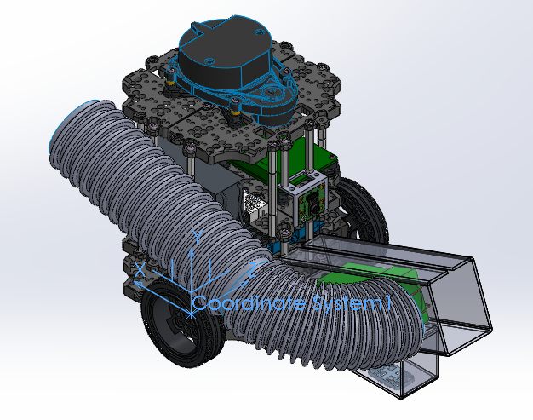
11 | Ball Caster | 1 | 0.0150 | 79.8 | -26.2 | 70.8 | 1.197 | -0.392 | 1.062
12 | Motor Right | 1 | 0.0570 | 9.8 | 0.1 | 17.2 | 0.560 | 0.005 | 0.978
13 | Motor Left | 1 | 0.0570 | 9.8 | 0.5 | 124.4 | 0.560 | 0.026 | 7.090
14 | Metal Support 1 (Layer 1) | 1 | 0.0250 | -33.2 | 1.5 | 46.8 | -0.831 | 0.038 | 1.169
15 | Metal Support 2 (Layer 1) | 1 | 0.0250 | -33.2 | -1.0 | 94.8 | -0.831 | -0.025 | 2.369
16 | Metal Support 3 (Layer 1) | 1 | 0.0250 | 94.8 | -1.0 | 46.8 | 2.369 | -0.025 | 1.169
17 | Metal Support 4 (Layer 1) | 1 | 0.0250 | 94.8 | 1.5 | 94.8 | 2.369 | 0.038 | 2.369
18 | Metal Support 1 (Layer 2) | 1 | 0.0250 | -33.2 | 36.3 | 58.8 | -0.831 | 0.908 | 1.469
19 | Metal Support 2 (Layer 2) | 1 | 0.0250 | -33.2 | 38.8 | 82.8 | -0.831 | 0.970 | 2.069
20 | Metal Support 3 (Layer 2) | 1 | 0.0250 | 54.8 | 39.0 | 6.8 | 1.369 | 0.975 | 0.169
21 | Metal Support 4 (Layer 2) | 1 | 0.0250 | 54.8 | 36.5 | 134.8 | 1.369 | 0.913 | 3.369
22 | Metal Support 1 (Layer 3) | 1 | 0.0250 | -33.2 | 75.8 | 46.8 | -0.831 | 1.895 | 1.169
23 | Metal Support 2 (Layer 3) | 1 | 0.0250 | -33.2 | 73.3 | 94.8 | -0.831 | 1.833 | 2.369
24 | Metal Support 3 (Layer 3) | 1 | 0.0250 | 6.8 | 75.8 | 134.8 | 0.169 | 1.895 | 3.369
25 | Metal Support 4 (Layer 3) | 1 | 0.0250 | 94.8 | 75.6 | 94.8 | 2.369 | 1.890 | 2.369
26 | Metal Support 5 (Layer 3) | 1 | 0.0250 | 94.8 | 73.1 | 46.8 | 2.369 | 1.828 | 1.169
27 | Metal Support 6 (Layer 3) | 1 | 0.0250 | 6.8 | 73.3 | 6.8 | 0.169 | 1.833 | 0.169
28 | Acrylic Launcher | 1 | 0.0900 | -106.2 | 32.1 | 71.7 | -9.558 | 2.889 | 6.457
29 | Breadboard | 1 | 0.0800 | 28.8 | 64.4 | 35.9 | 2.304 | 5.152 | 2.873
30 | Battery 2 | 1 | 0.1060 | 28.5 | 86.0 | 23.1 | 3.025 | 9.118 | 2.451
31 | Solenoid Plunger | 1 | 0.4000 | -92.9 | 23.2 | 70.8 | -37.160 | 9.295 | 28.303
32 | Ball Caster 2 | 1 | 0.0300 | -124.4 | -26.2 | 70.8 | -3.731 | -0.785 | 2.123
33 | Solenoid Mount | 1 | 0.1000 | -112.8 | 29.5 | 70.8 | -11.275 | 2.954 | 7.077
34 | Hose | 1 | 0.1000 | 8.5 | 76.0 | 23.1 | 0.854 | 7.602 | 2.312
35 | Launcher Mount | 1 | 0.0120 | -137.0 | -5.9 | 70.8 | -1.644 | -0.071 | 0.849
36 | RPi Camera | 1 | 0.0030 | 70.8 | 81.0 | 70.4 | 0.212 | 0.243 | 0.211
37 | Camera Mount | 1 | 0.0050 | -42.3 | 89.1 | 70.4 | -0.212 | 0.445 | 0.352

